z Test
Sample Survey of practioner recommending tablet is 9/10

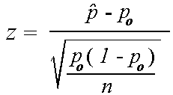
Random sample recommending tablet is 82/100 |  | Critical value
Confidence Interval accepted | 0.95 | 1.96
probability of sample | 0.9
probability of observed samples | 0.82

z statistic | -2.6666666667

